Sheet1
Test 1 | View Items in the ToDo list
 | Test Objective: Verifies the list of Items is displayed | Developer: | Peer tester: Vincent Ryan
 |  | Date tested: 2025/01/31 | Date tested: 02/02/2025
Step | Action | Expected results: | Developer pass/fail | Tester pass/fail
 |  |  |  | + Screenshot
1 | Access site at https://buwebdev.github.io/todo/ | Web page opens | Yes | 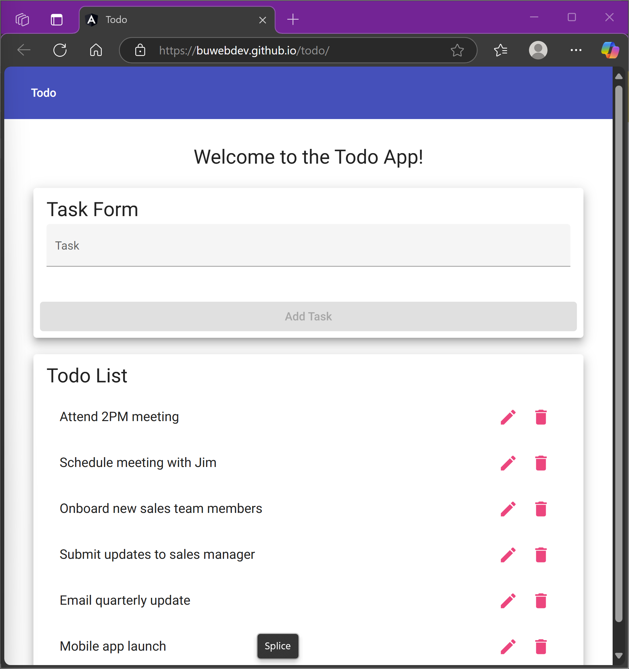 Yes
2 | Verify the list of items is displayed on the page | List of Items will be displayed on page | Yes | Yes
Comments | The ToDo list properly displays all six items in the list even after refreshing. No layout issues depending on size or scale, and no adjustments to list without using the add task/edit/delete functions.

Test 2 | Add new item to list
 | Test Objective: Verifies functionality of the add task feature. | Developer: | Peer tester: Vincent Ryan
 |  | Date tested: <yyyy/mm/dd> | Date tested: 02/02/2025
Step | Action | Expected results: | Developer pass/fail | Tester pass/fail
1 | Access site at https://buwebdev.github.io/todo/ | Web page opens | Yes | Yes
2 | Verify text input box is accessible to user and type new task to add to list | Text box accepts focus and can receive text input from user | Yes | 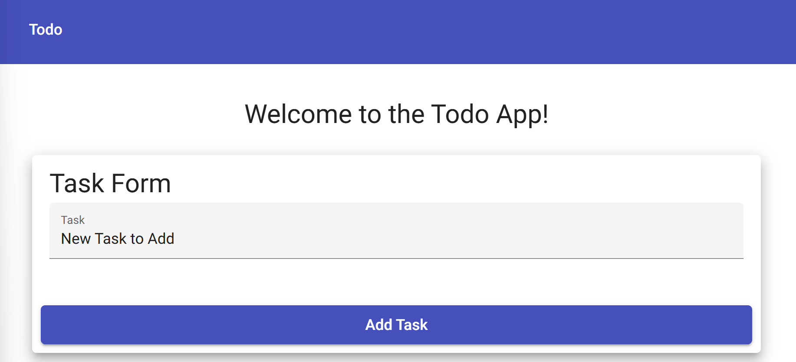 Yes
3 | Verify that the add task button becomes accessible after entering new task in text box | Button becomes enabled when a new Item is entered into the text box | Yes | Yes (see above photo)

4 | Verify Add Task button adds the new task and it is displayed in the list | New Item is added to the list and displayed after saving new Item | Yes | 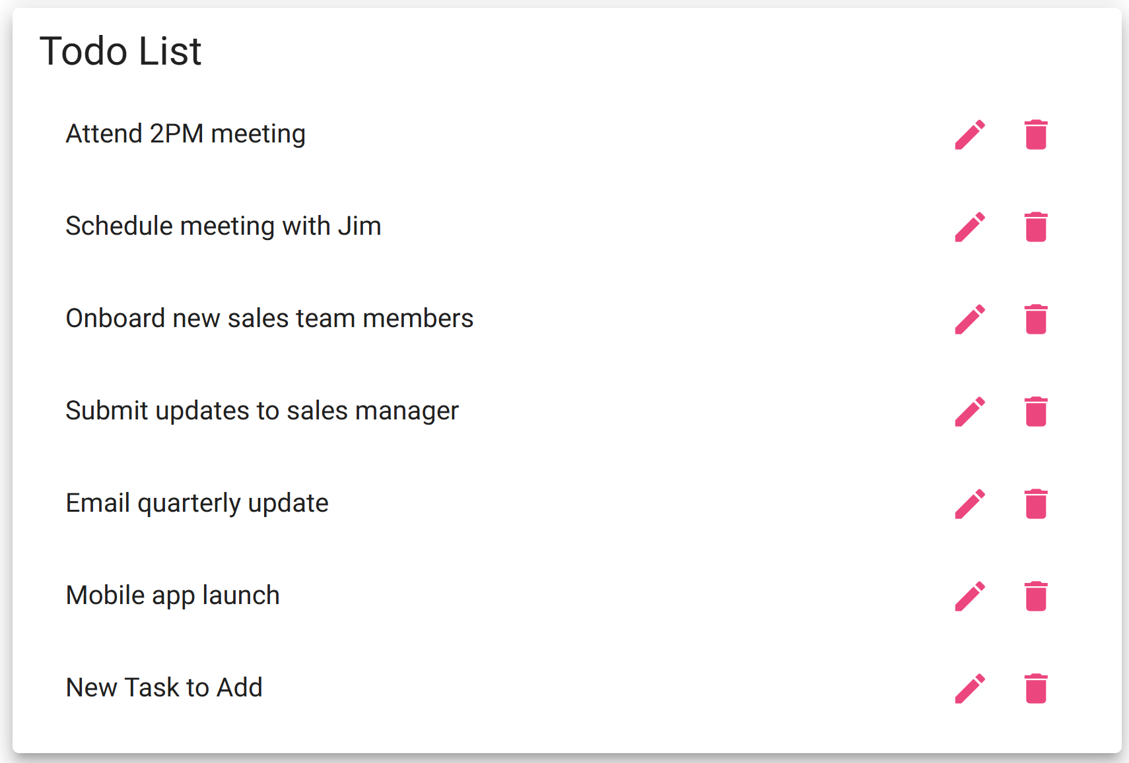 Yes

Comments | The add button was disabled until at least 3 characters were entered into the text box. User will not be able to add a task unless its length is 3 or more characters long

Test 3 | Delete Item from List
 | Test Objective: Verify functionality of the delete task feature | Developer: | Peer tester: Vincent Ryan
 |  | Date tested: <yyyy/mm/dd> | Date tested: 02/02/2025
Step | Action | Expected results: | Developer pass/fail | Tester pass/fail
1 | Access site at https://buwebdev.github.io/todo/ | Web page opens | Yes | 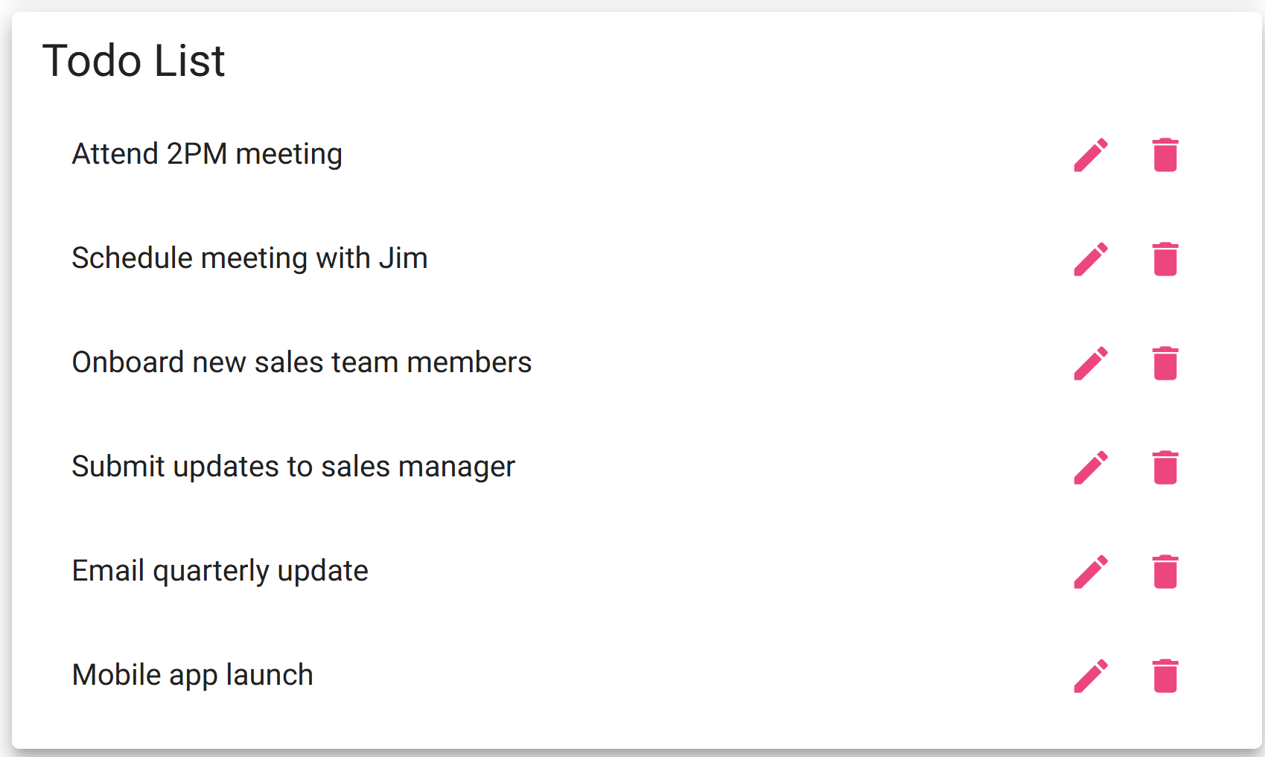 Yes

2 | Select an item from the list and delete it using the trashcan Icon | Trash can icon functionality is enabled allowing user to click button | Yes | Yes

3 | Verify the Item is removed from the list | Item is no longer displayed on the todo list | Yes | 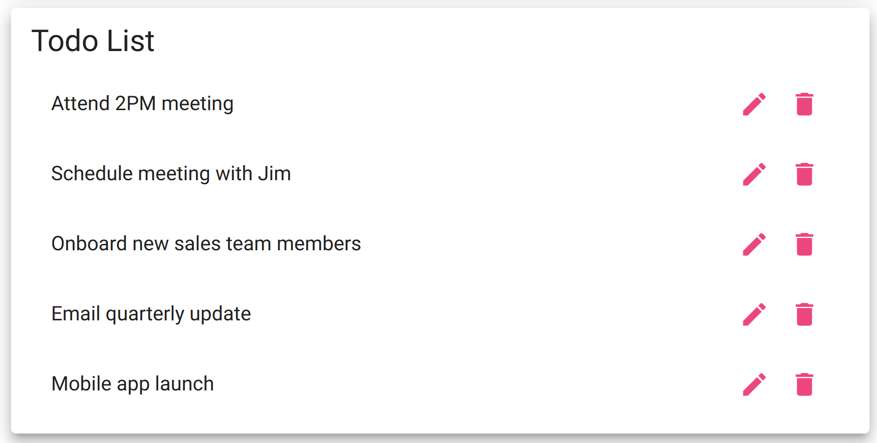 Yes
Comments | Delete functionality works. Trash can icon is enabled and removes the selected item from the list.

Test 4 | Edit Item in list
 | Test Objective: Verify functionality of the delete task feature | Developer: | Peer tester: Vincent Ryan
 |  | Date tested: <yyyy/mm/dd> | Date tested: 02/02/2025
Step | Action | Expected results: | Developer pass/fail | Tester pass/fail
1 | Access site at https://buwebdev.github.io/todo/ | Web page opens | Yes | Yes

2 | Select the pencil icon next to a task on the list and verify the edit form pop-up is displayed | Edit form opens | Yes | 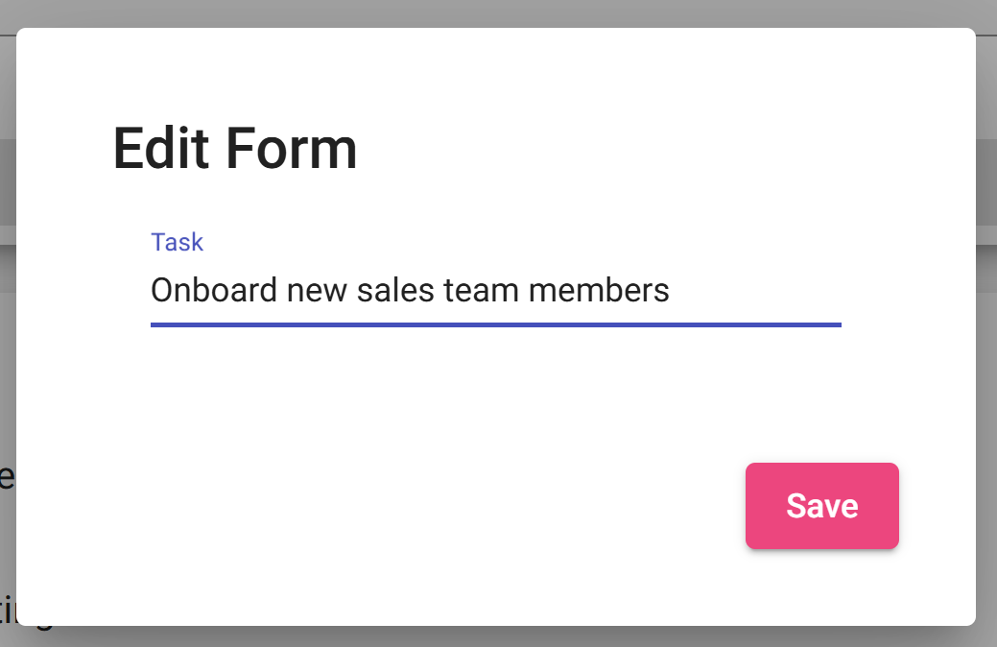 Yes

3 | Change text of the selected item and verify that the save button saves the changes to the item and the changes are displayed on the list | The changes made to item are reflected in the list displayed | Yes | 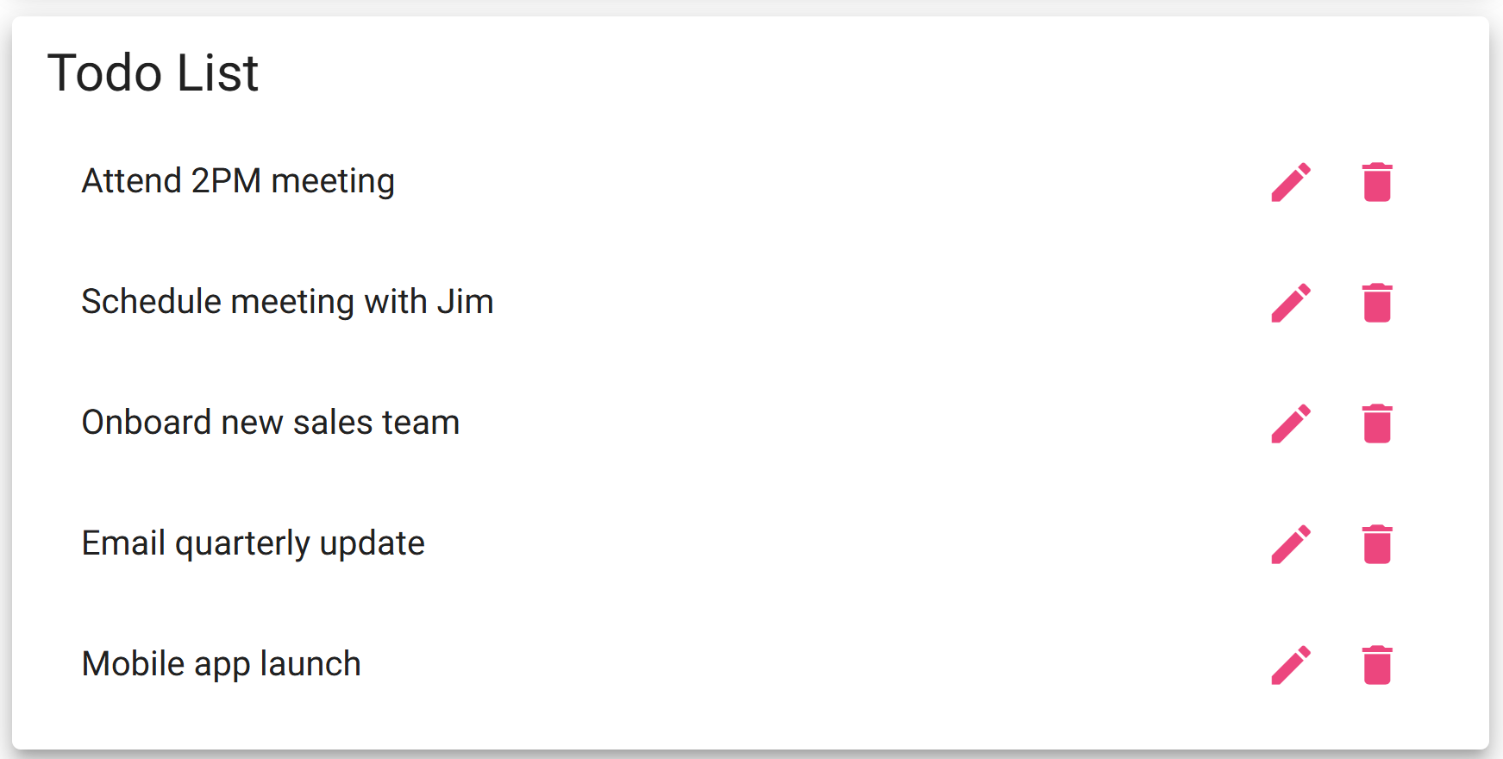 Yes updated item 3
Comments | Was able to edit items in the form. If user deletes all text from the text box, the item will not be deleted and the list will display the Item row with no text.

Test 5 | Prevent user from submitting a blank form when adding a task
 | Test Objective: Verify user can not add a blank item to the list | Developer: | Peer tester: Vincent Ryan
 |  | Date tested: 2025/01/31 | Date tested: 02/02/2025
Step | Action | Expected results: | Developer pass/fail | Tester pass/fail
1 | Access site at https://buwebdev.github.io/todo/ | Web page opens | Yes | Yes

2 | Submit task using add task button | Add task button is disabled because the text box is empty | Yes | Yes

3 | Enter a new task in the form and try to submit task. | The add task button is now enabled with data entered in the text box. The new Item is displayed on the list. | Yes | Yes
Comments | The add task button was disabled until a value at least 3 characters long is entered.

